Frequency Distribution
Histogram
112 | 100 | 120 | 127 | 134 | 118 | 105 | 110 | 109 | 112
110 | 118 | 116 | 117 | 118 | 112 | 114 | 114 | 105 | 109
107 | 112 | 115 | 114 | 118 | 117 | 118 | 122 | 106 | 110
116 | 108 | 121 | 110 | 113 | 120 | 119 | 111 | 104 | 111
120 | 113 | 117 | 120 | 105 | 110 | 118 | 112 | 114 | 114

Pie Chart
Data Values | Frequency | Rel Frequency | Cumulative Frequency | Class Boundary | Mid Point
40 - 49 | 1 | 0.02 | 1 | 39.5 - 49.5 | 44.5
50 - 59 | 7 | 0.14 | 8 | 49.5 - 59.5 | 54.5
60 - 69 | 7 | 0.14 | 15 | 59.5 - 69.5 | 64.5
70 - 79 | 3 | 0.06 | 18 | 69.5 - 79.5 | 74.5
80 - 89 | 6 | 0.12 | 24 | 79.5 - 89.5 | 84.5
90 - 99 | 10 | 0.20 | 34 | 89.5 - 99.5 | 94.5
100 - 109 | 5 | 0.10 | 39 | 99.5 - 109.5 | 104.5
110 - 119 | 4 | 0.08 | 43 | 109.5 - 119.5 | 114.5
120 - 129 | 2 | 0.04 | 45 | 119.5 - 129.5 | 124.5
130 - 139 | 3 | 0.06 | 48 | 129.5 - 139.5 | 134.5
140 - 149 | 0 | 0.00 | 48 | 139.5 - 149.5 | 144.5
150 - 159 | 2 | 0.04 | 50 | 149.5 - 159.5 | 154.5
Sum | 50 | 1.00


Data Values | Frequency | Relative Frequency | Percentage (%) | Cumulative Frequency
1 | 1 | 0.02 | 2% | 1
2 | 1 | 0.02 | 2% | 2
3 | 3 | 0.07 | 7% | 5
4 | 12 | 0.27 | 27% | 17
5 | 6 | 0.13 | 13% | 23
6 | 4 | 0.09 | 9% | 27
7 | 5 | 0.11 | 11% | 32
8 | 4 | 0.09 | 9% | 36
9 | 6 | 0.13 | 13% | 42
10 | 3 | 0.07 | 7% | 45
Sum | 45 | 1.00 | 100%

Data Values | Frequency | Relative Frequency | Percentage (%) | Cumulative Frequency
1 | 1 | 0.02 | 2% | 1
2 | 1 | 0.02 | 2% | 2
3 | 3 | 0.07 | 7% | 5
4 | 12 | 0.27 | 27% | 17
5 | 6 | 0.13 | 13% | 23
6 | 4 | 0.09 | 9% | 27
7 | 5 | 0.11 | 11% | 32
8 | 4 | 0.09 | 9% | 36
9 | 6 | 0.13 | 13% | 42
10 | 3 | 0.07 | 7% | 45
55 | 45 | 1.00 | 100% | 230

Assignment #2
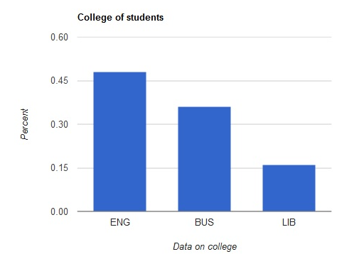
 | 2.20
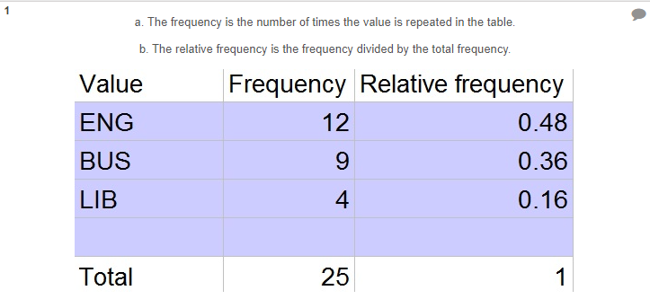

2.19
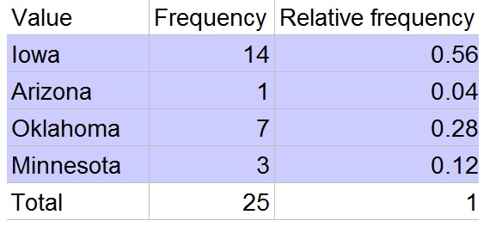
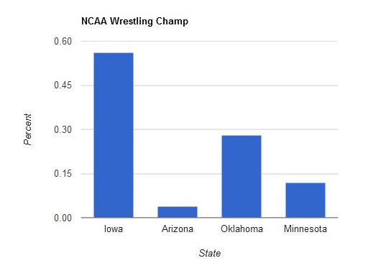

2.18
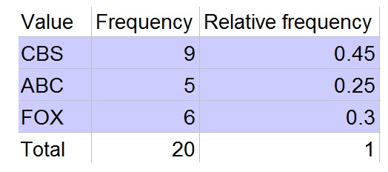
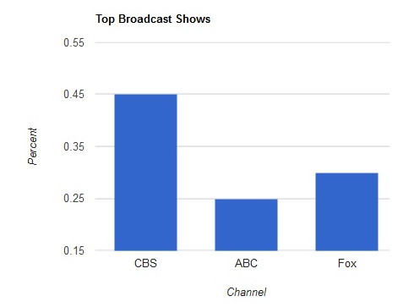

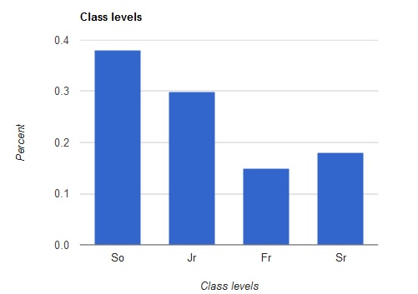
 | 2.21
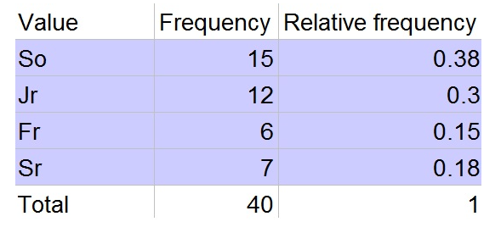

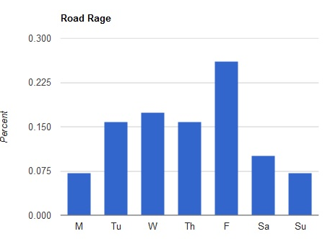
 | 2.23
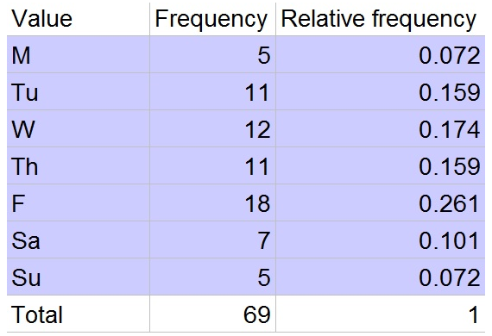

 | 2.24
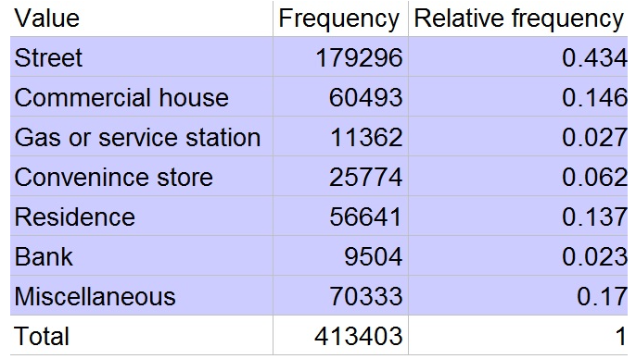
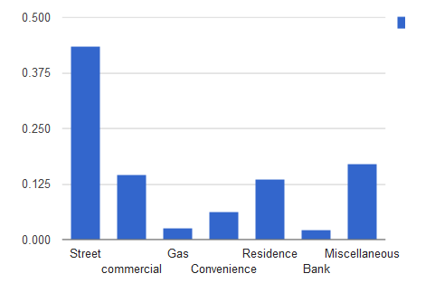

2.26
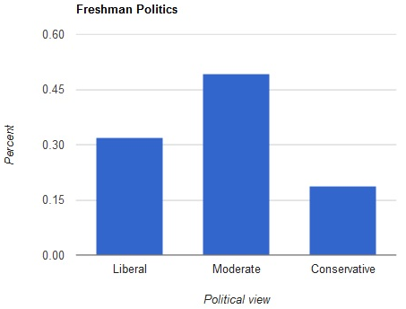

 | 2.27
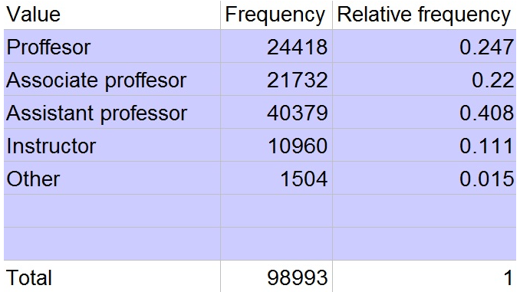
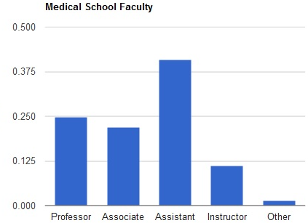

 | 2.28
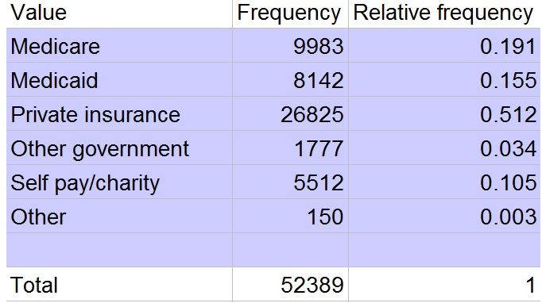
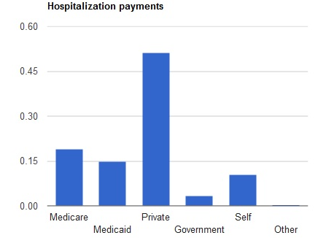

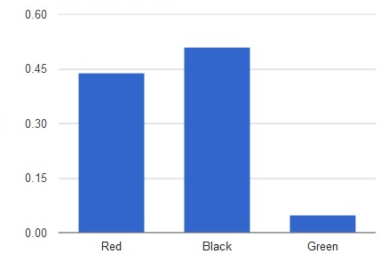

 | 2.29

2.52
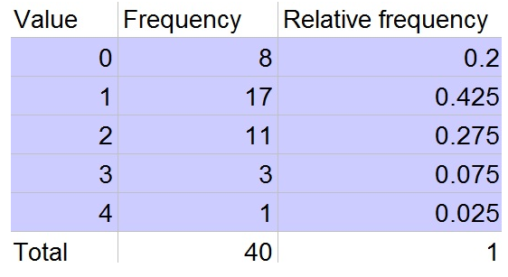
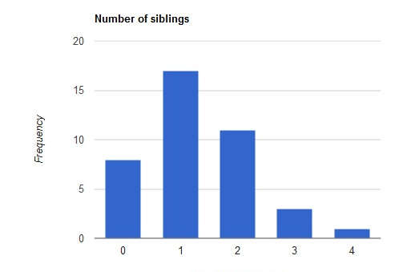
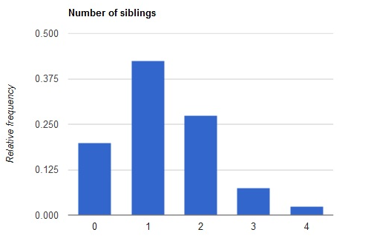

2.53
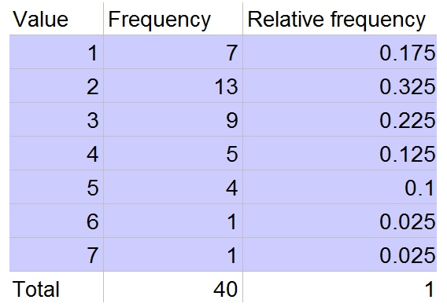
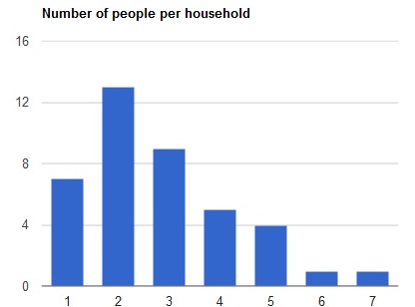
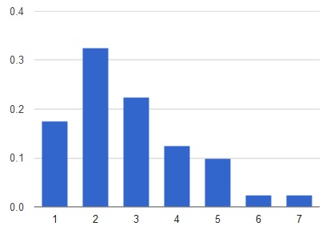

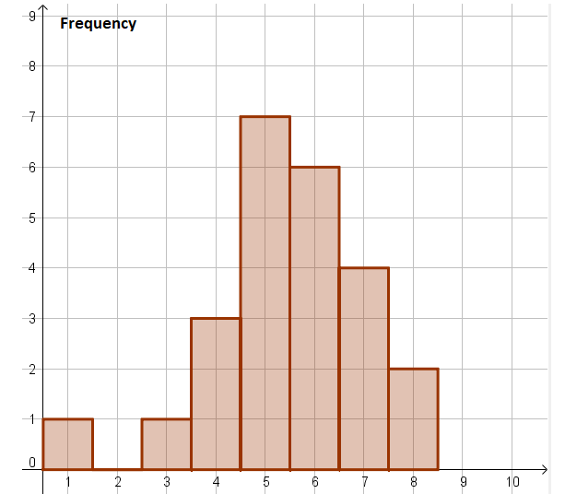
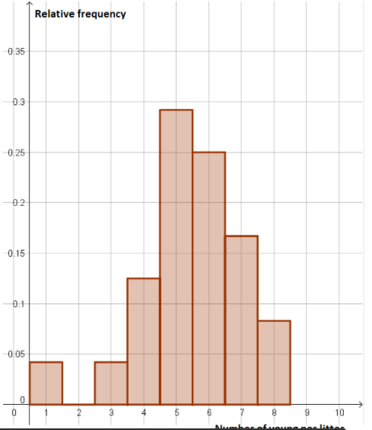

 | 2.54
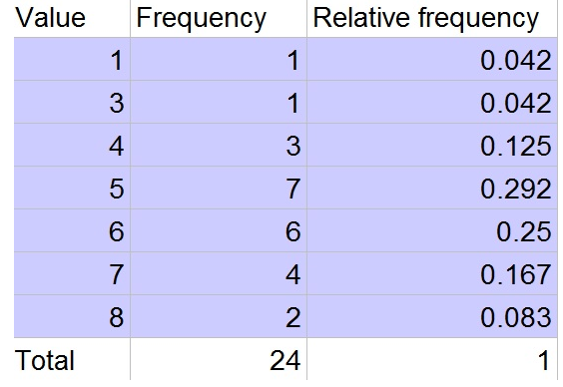

 | 2.55
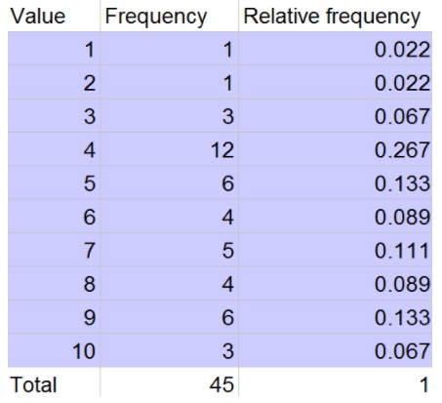
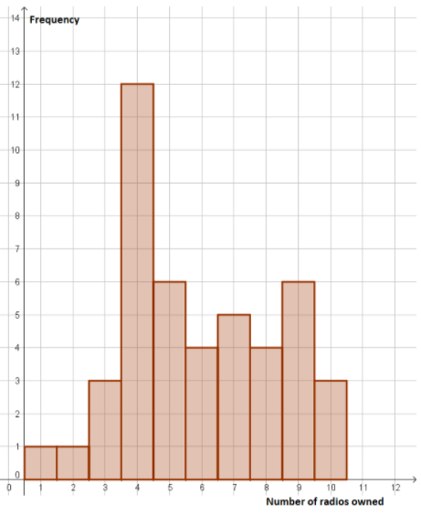
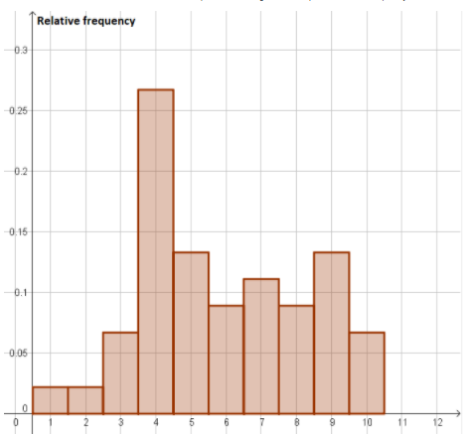

2.56
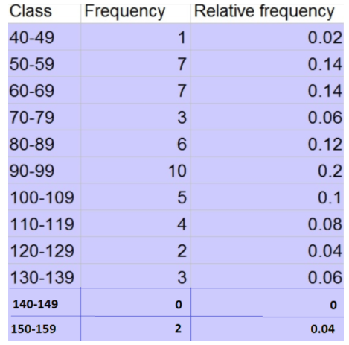
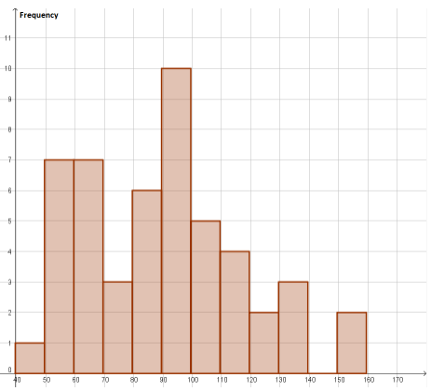
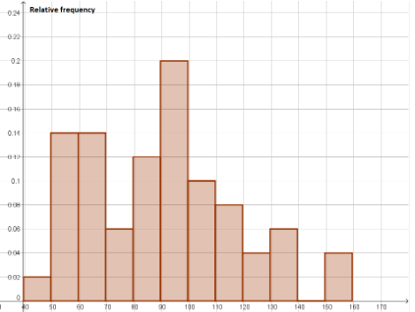

2.57
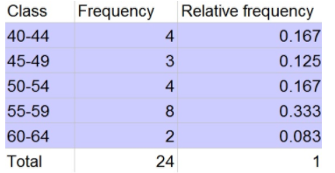
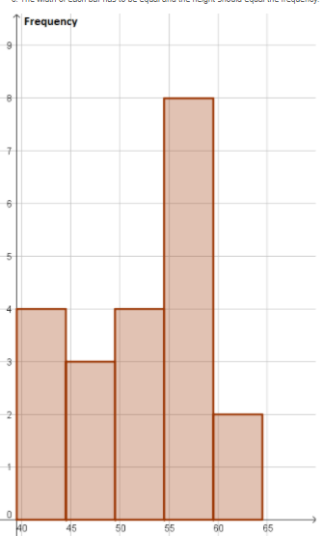
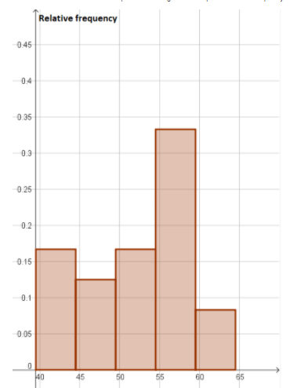

2.58
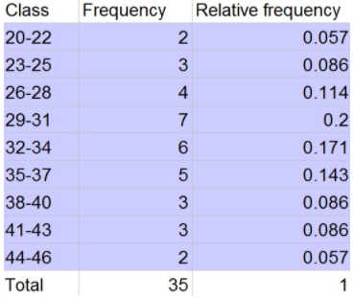
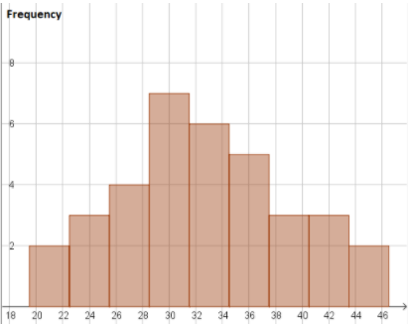
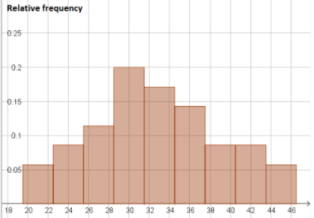

2.59
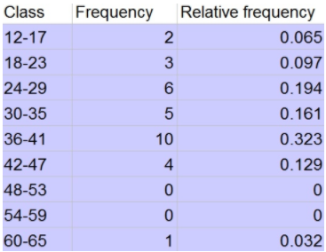
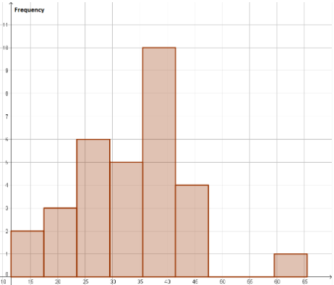
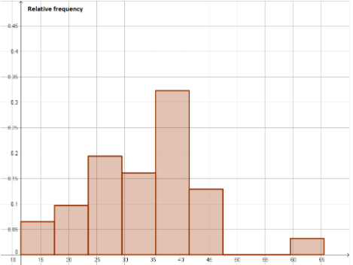

2.68
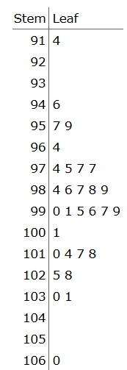

2.69
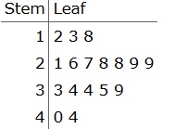

2.71
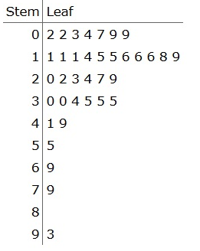

Mean - Median and Mode

3.16

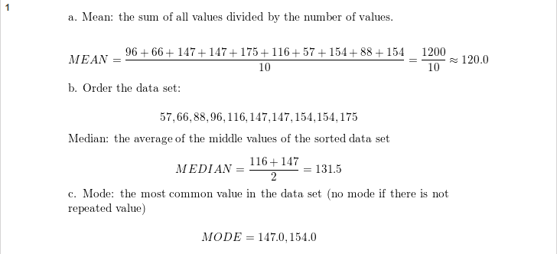

3.17

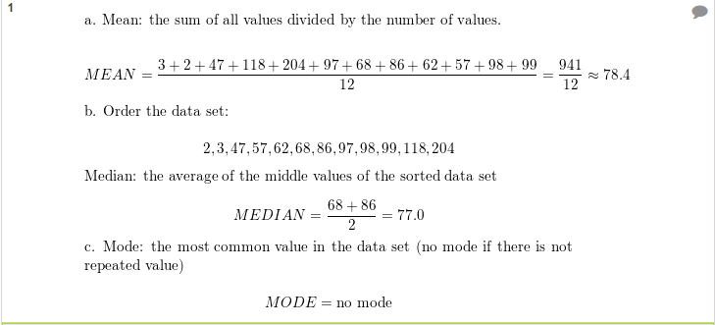

3.19

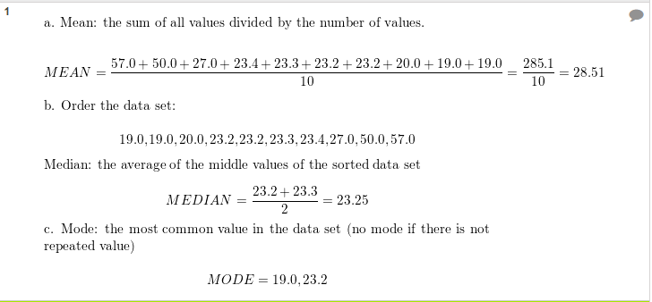

3.20

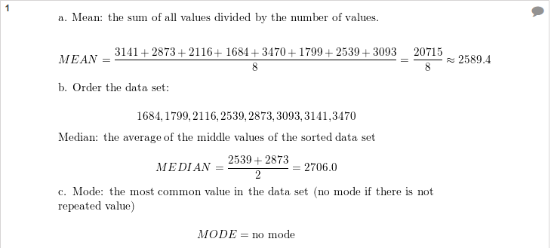

3.24
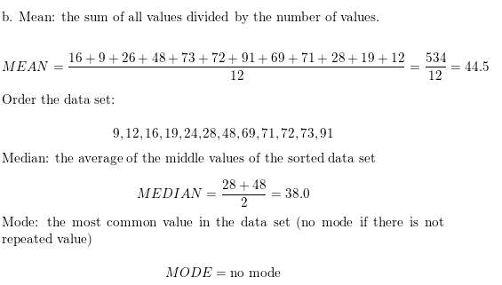


3.36



3.34

